Database
Item number | Product Name | Photo | Category | Expiration date | Quantity | Warehouse unit | Retail Price | Total Retail Price |  | Total Request | % Request | Number of pieces for package | udv cl (qxc) | Declared net weight in kg cl | Boxes per pallet | Pallet Bases
1117 | IP MILLESFOGLIE PISTACHIO. |  | Croissant | 2025-08-31 | 1,788 | CT | 44.40 € | 79,387.20 € | 1.65 € | 2,950.20 € | 4% | 50 | 1.00 | 4.5 | 72 | 25
6005 | TM 3CHIC WITH RASPBERRIES |  | Croissant | 2025-08-31 | 36 | CT | 53.40 € | 1,922.40 € | 1.65 € | 59.40 € | 3% | 50 | 1.00 | 4.5 | 72 | 1
6221 | MG CRO. DL CURVED APRICOT |  | Croissant | 2025-08-31 | 141 | CT | 56.95 € | 8,029.95 € | 1.65 € | 232.65 € | 3% | 170 | 1.00 | 11.9 | 54 | 3
6004 | TM 3CHIC ALBICOCCA |  | Croissant | 2025-12-31 | 4,342 | CT | 53.40 € | 231,862.80 € | 1.65 € | 7,164.30 € | 3% | 50 | 1.00 | 4.5 | 72 | 60
6503 | TM GOLDEN PISTAC LEAF. |  | Croissant | 2025-08-31 | 2,519 | CT | 44.40 € | 111,843.60 € | 1.65 € | 4,156.35 € | 4% | 50 | 1.00 | 4.5 | 72 | 35
8388 | IP EMPTY JOLI CROISSANT |  | Croissant | 2025-08-31 | 2,111 | CT | 50.80 € | 107,238.80 € | 1.65 € | 3,483.15 € | 3% | 50 | 1.00 | 3.5 | 72 | 29
8389 | IP CORN. JOLI APRICOT |  | Croissant | 2025-08-31 | 1,488 | CT | 57.60 € | 85,708.80 € | 1.65 € | 2,455.20 € | 3% | 50 | 1.00 | 4.25 | 72 | 21
6475 | TM HAZELNUT CREAM 0.5 KG | 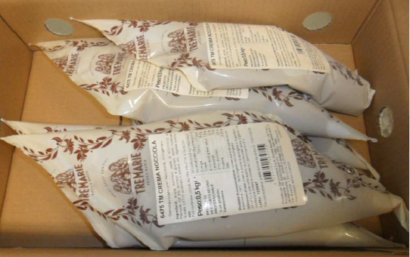 | Fillings | 2025-09-03 | 1,524 | CF | 5.70 € | 8,686.80 € | 1.25 € | 1,905.00 € | 22% | 20 | 6.00 | 3 | 140 | 11
6479 | TM WILD BERRY FILLING 0.5 KG |  | Fillings | 2025-09-05 | 90 | CF | 4.35 € | 391.50 € | 1.25 € | 112.50 € | 29% | 20 | 6.00 | 3 | 140 | 1
 |  |  |  |  | 14,039 |  |  | 635,071.85 € |  | 22,518.75 € |  |  |  |  |  | 185

